Please read first
Growth Servicing Data Form Instructions

The data collected will inform Sydney Water's planning investigations for servicing of the proposed development and wider area. Ideally updates should be provided every quarter for each development. Development intel helps to ascertain demonstrated demand and development confidence which supports business cases and commercial opprtunities. The data collected will be treated as commercial in confidence. As well as ultimate growth, staging data enables Sydney Water to ascertain both short and long term servicing options for a site and assists Sydney Water in asset decision making, referral responses, and interim planning.

We understand that the data may change over time and timescales may be dependent upon DPIE/Council approvals. We request therefore "the best estimate" where not fully known.
We will treat this information as a guide/draft only.
Please complete all the questions in the form as accurately as possible, using the drop down options where applicable
We have provided an example below to show you the level of detail and type of attachments we require.
We are happy to accept additional information/ data sheets, but for tracking and inputting requirements we request you fill in the form following the structure we have provided.

Please see the example completed data form and necessary attached plans below to assist you complete the form:
NOTE: This example is not of a real development and does not represent the plans of any developer. The site plans are to be used as a guide only and any representations or activities shown are null and void

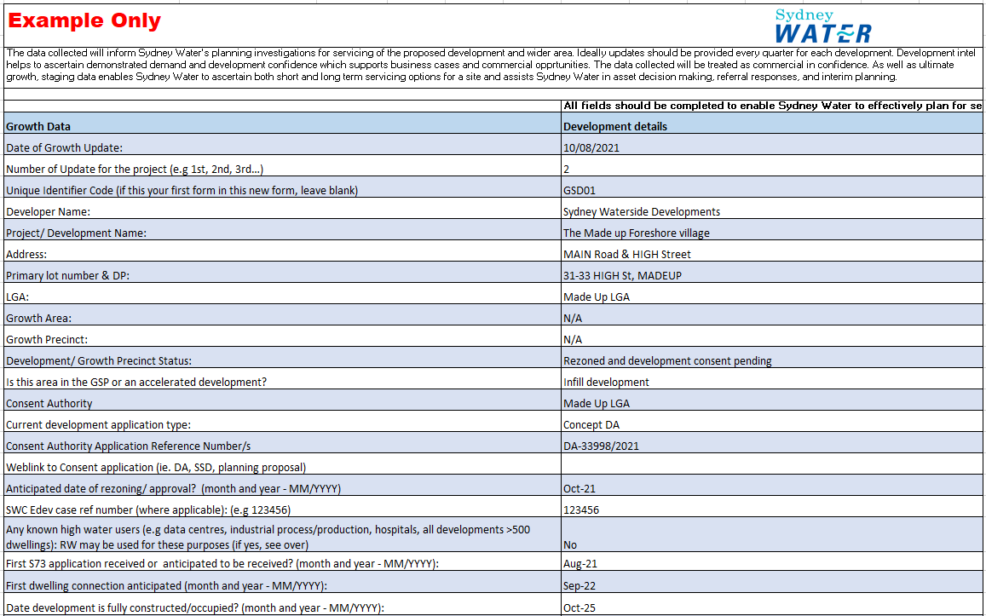

 | Boundary Plan (EXAMPLE)
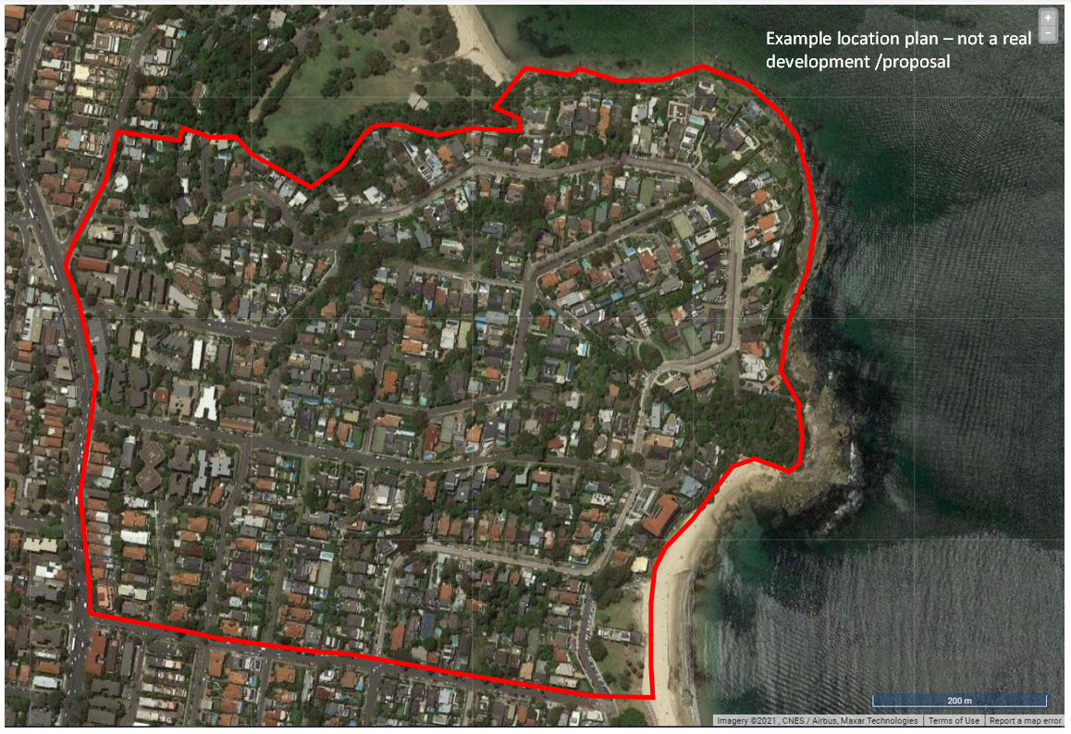

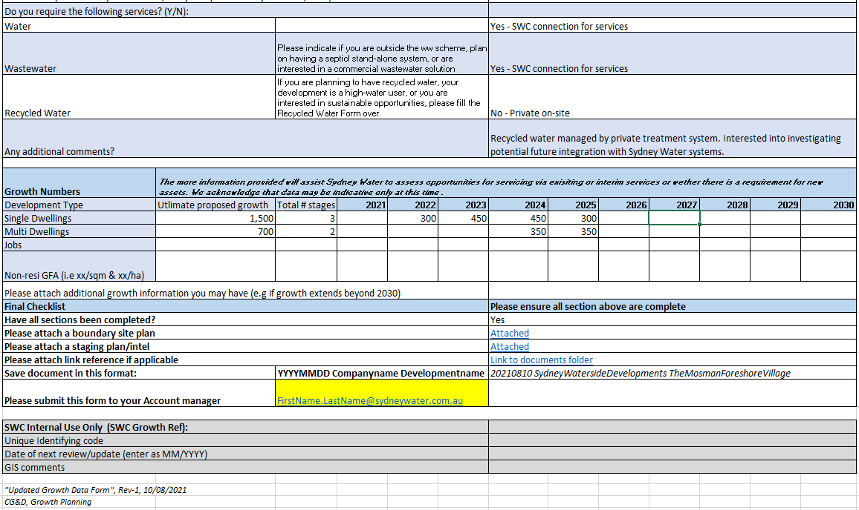

 | Staging Plan (EXAMPLE)

